What is Cross Validation
CROSS VALIDATION | REFERENCE

DEFINITION OF VARIOUS TERMINOLOGY | ⇰REFERENCE (Website)-->Scikit Learn Regarding Thereotical & Practical Implementation Regarding Cross Validation (Evaluating Estimator Performance) | ⇰REFERENCE (Website)-->Stackoverflow Regarding Overall difference between (cross_val_score) and Kfold as well as Stratified K fold Cross Validation

⇰What is Validation ? ❶The process of determining whether the mathematical results calculating relationships between variables (X1, X2) Features & Output (y) are acceptable as descriptions of the data is known as Validation. Usually, an error estimation for the model is made after training the model on the train data set, better known as the evaluation of residuals.

 | ⇰REFERENCE (Website)-->upGrad Regarding Conceptual & Practical Understanding of Cross Validation & Various CV Techniques Implementation in Machine Learning | ⇰REFERENCE (You Tube)--> Krishna Naik Regarding Conceptual Understanding of Cross Validation & Types of Cross Validation

⇰What is Cross Validation? ❶In this process, we measure the Training Error by calculating the difference between predicted response and original response. But this metric cannot be trusted because it works well only with the training data. It’s possible that the model is Underfitting or Overfitting the data.

 |  | ⇰REFERENCE (You Tube)--> 5 Minutes Engineering Regarding Conceptual Implementation Regarding 5 Fold Cross Validation
WARNING-->
1. On one hand, KFold & Stratified K fold & Other Techniques of Cross Validation in which lets you to split your data to K folds. 2.On the Other Hand cross_val_score & cross_validate is a function which evaluates a data and returns the score.

OVERALL MEANING & TERMINOLOGY OF CROSS VALIDATION

⇰Basically in Other word Cross-Validation is a statistical method of evaluating and comparing learning algorithms by dividing data into two segments: one used to learn or train a model and the other used to validate the model. In typical cross-validation, the training and validation sets must cross-over in successive rounds such that each data point has a chance of being validated against. The basic form of cross-validation is k-fold cross-validation. Other forms of cross-validation are special cases of k-fold cross-validation or involve repeated rounds of k-fold cross-validation. | ⇰REFERENCE (Website)-->upGrad Regarding Conceptual & Practical Understanding of Cross Valdidation & Various CV Techniques Implementation in Machine Learning

 |  | ⇰REFERENCE (You Tube)-->Code Basics Regarding Conceptual & Practical Implementation (Coding)Regarding 5 Fold Cross Validation

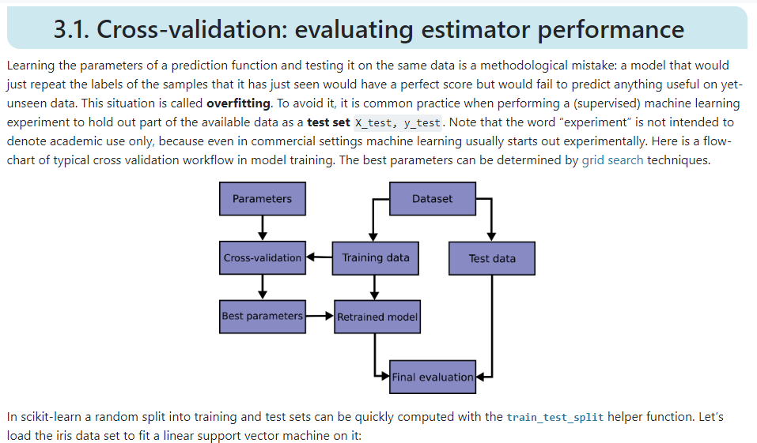 | ⇰REFERENCE (Website)-->Scikit Learn Regarding Thereotical & Practical Implementation Regarding Cross Validation (Evaluating Estimator Performance)

 | ⇰REFERENCE (Website)-->upGrad Regarding Conceptual & Practical Understanding of Cross Validation & Various CV Techniques Implementation in Machine Learning

 | ⇰REFERENCE (You Tube)-->Code Basics Regarding Conceptual & Practical Implementation (Coding)Regarding 5 Fold Cross Validation

WHY CROSS VALIDATION OVER TRAINING | TEST | SPLIT (UDEMY) ?

⇰Cross validation is a more advanced set of methods for splitting data into training sets and testing sets As compared to TRAINING |TEST |SPLIT . ❶ We already understand the intuition behind performing a basic train test split.That is, we want to fairly evaluate our model's performance on unseen data.Unfortunately, this means we're not able to tune hyper parameters to the entire data set.We have to sacrifice a portion of that data set (TEST SET) in order to hold it back for testing purposes.So is there a way we can achieve both of the following (Training) on all the data and evaluate (Testing) on all the data? The Answer is YES | ⇰REFERENCE (Website)-->Udemy Regarding Thereotical & Conceptual Implementation of Cross Validation & 5 Fold Cross Validation | ⇰REFERENCE (Excel)--> 2.5 (i) Excel Sheet Regarding Thereotical & Practical Implementation Regarding TRAINING | TEST | SPLIT

 | ⇰REFERENCE (Website)-->Medium Regarding Thereotical & Practical Implementation Regarding of K fold Cross Validation vs Monto Carlo | ⇰REFERENCE (Website)-->Scikit Learn Regarding Thereotical & Practical Implementation Regarding Cross Validation (Evaluating Estimator Performance)

HOW DOES CROSS VALIDATION WORK (K FOLD CROSS VALIDATION)

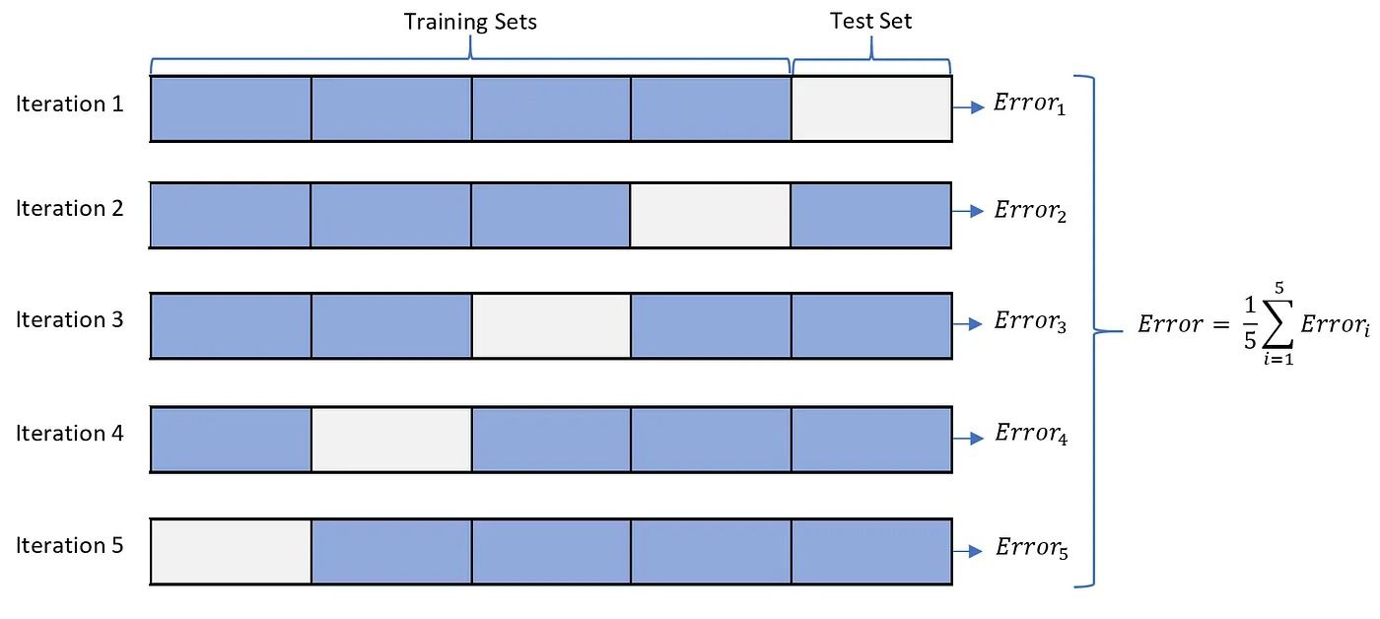

 | ⇰REFERENCE (Website)-->Scikit Learn Regarding Thereotical & Practical Implementation Regarding Cross Validation (Evaluating Estimator Performance) | ⇰REFERENCE (You Tube)-->Code Basics Regarding Conceptual & Practical Implementation (Coding)Regarding 5 Fold Cross Validation

 | ⇰REFERENCE (Website)-->Medium Regarding Thereotical & Practical Implementation Regarding of K fold Cross Validation vs Monto Carlo

 | ⇰REFERENCE (Website)-->Udemy Regarding Thereotical & Conceptual Implementation of Cross Validation & 5 Fold Cross Validation | ⇰REFERENCE (Website)-->Stackoverflow Regarding Overall difference between (cross_val_score) and Kfold as well as Stratified K fold Cross Validation

 | ⇰REFERENCE (Website)-->Scikit Learn Regarding Thereotical & Practical Implementation Regarding Cross Validation (Evaluating Estimator Performance)
 |  | ⇰REFERENCE (You Tube)--> Krishna Naik Regarding Conceptual Understanding of Cross Validation & Types of Cross Validation

 | ⇰REFERENCE (Website)-->Medium Regarding Thereotical & Practical Implementation Regarding of K fold Cross Validation vs Monto Carlo
 |  | ⇰REFERENCE (You Tube)-->Code Basics Regarding Conceptual & Practical Implementation (Coding)Regarding 5 Fold Cross Validation

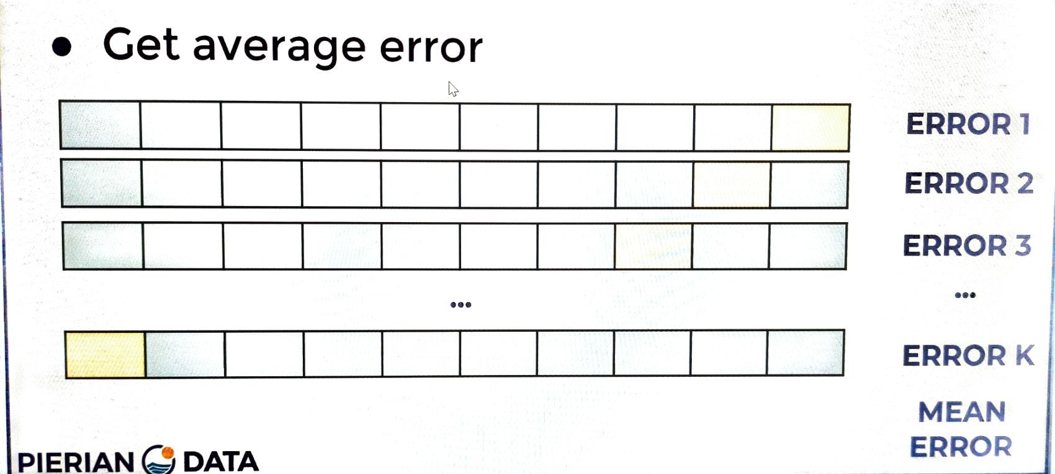 | ⇰REFERENCE (Website)-->Udemy Regarding Thereotical & Conceptual Implementation of Cross Validation & 5 Fold Cross Validation

❶So now I have my data, same data we've been working with before and I'm just representing it as the full data source.With the splits here, blue is train and white is test.So now let's start with just all the original data.So I haven't actually split it yet.So how does cross-validation actually work? ❷By getting a chance to train on all the data and evaluate all the data.Well, what we do is we split the data into K equal parts.K is a number up to you to the side.Then you'll have one over K (1/K) left as a test set.Which means if you decided K is equal to ten, that means you're leaving 10% of the data or one over 10 as the test set. ❸Then what you're going to do is you're going to repeat this for another one over K (1/K) split and then get a second error & then you're going to repeat this for all possible splits, essentially repeating this K number of times & so after you've repeated this K number of times and you've been able to both evaluate and test on all portions of your data just by running this K number of times, you'll average out the error. ❹So here we get an error for the first split, second error, third error get error equal to K and then we just average all those and get our mean error & the average error is then your expected performance & what's really nice about this is it actually gives you a much clearer idea of the model's true performance. ❺Obvi | ⇰REFERENCE (Website)--> Scikit Learn Regarding K fold Cross Validation (Conceptual) with all Hyper param for K fold CV Model | ⇰REFERENCE (Website)-->Stackoverflow Regarding Overall difference between (cross_val_score) and Kfold as well as Stratified K fold Cross Validation

 | ⇰REFERENCE (Website)-->Stackoverflow Regarding Overall difference between (cross_val_score) and Kfold as well as Stratified K fold Cross Validation | ⇰REFERENCE (You Tube)--> Krishna Naik Regarding Conceptual Understanding of Cross Validation & Types of Cross Validation

 | ⇰REFERENCE (Website)-->Udemy Regarding Thereotical & Conceptual Implementation of Cross Validation & 5 Fold Cross Validation

 | ⇰REFERENCE (Website)--> Scikit Learn Regarding K fold Cross Validation (Conceptual) with all Hyper param for K fold CV Model

LIMITATION OF USING (K- FOLD CROSS VALIDATION ) OR CROSS VALIDATION
 | ⇰REFERENCE (Website)-->Stackoverflow Regarding Overall difference between (cross_val_score) and Kfold as well as Stratified K fold Cross Validation
⇰Well, the main limitation is issue is you have to repeat the computations k number of times, which can be computationally expensive for very large data sets.This is known as k fold cross-validation.A very common choice for K is ten so that each test set is 10% of your total data.So we would recommend by default, if you're going to do k fold cross validation, you choose something like K is equal to ten k=10.

DIFFERENCE IN BETWEEN K FOLD & OTHER TECHNIQUES FOR CROSS VALIDATION AGAINST CV METRICS (CROSS_VAL_SCORE , CV WITH CROSS VALIDATE

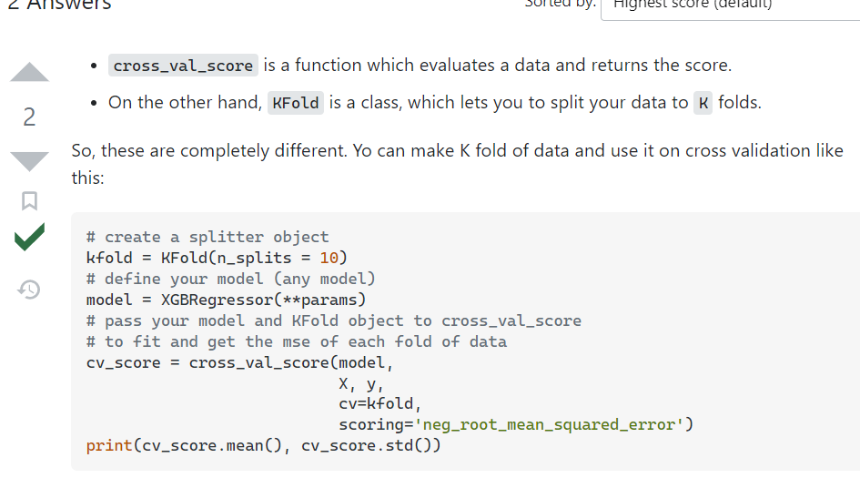 | ⇰REFERENCE (Website)-->Stackoverflow Regarding Overall difference between (cross_val_score) and Kfold as well as Stratified K fold Cross Validation

Technique of CV -> K Fold CV
TECHNIQUES OF CROSS VALIDATION | REFERENCE

WARNING-->
1. On one hand, KFold & Stratified K fold & Other Techniques of Cross Validation in which lets you to split your data to K folds. 2.On the Other Hand cross_val_score & cross_validate is a function which evaluates a data and returns the score.

⇰Techniques for Cross Validation ❶K fold Cross Validation (CV) & LOOCV ( ✔ ) ❷Hold Out Methods ❸Stratified K Fold Cross Validation (CV) | ⇰REFERENCE (Excel Sheet)--> 2.5 (Cross -Validation Excel Sheet) Regarding Various Techniques for Cross Validation

1.K Fold Cross Validation & LOOCV |  | ⇰REFERENCE (Website)--> Scikit Learn Regarding Various Hyper Parameters for K fold Cross Validation
 | ⇰REFERENCE (Website)-->upGrad Regarding Conceptual & Practical Understanding of Cross Validation & Various CV Techniques Implementation in Machine Learning
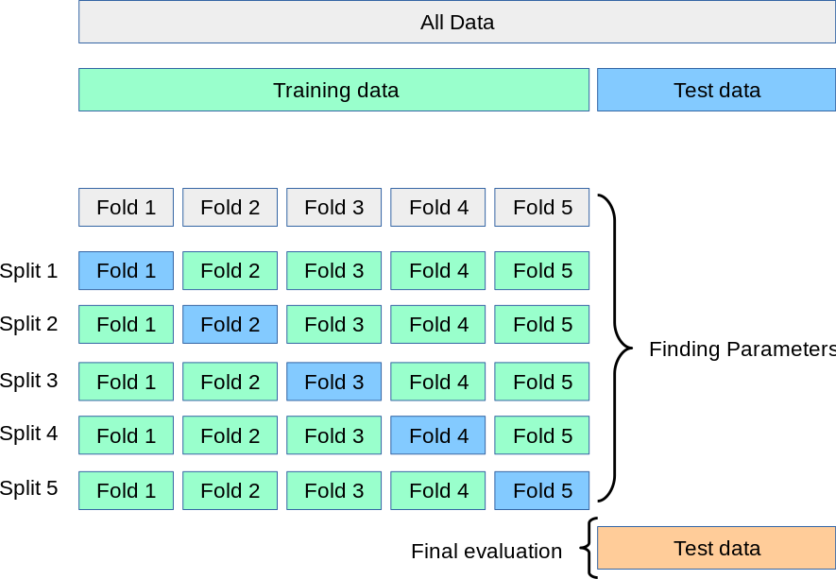

 |  | ⇰REFERENCE (You Tube)--> 5 Minutes Engineering Regarding Conceptual Knowledge of 5 Fold Cross Validation

 | ⇰REFERENCE (Website)--> Scikit Learn Regarding K fold Cross Validation (Conceptual) with all Hyper param for K fold CV Model

 |  | ⇰REFERENCE (You Tube)--> Krishna Naik Regarding Conceptual Understanding of Cross Validation & Types of Cross Validation

 | ⇰REFERENCE (Website)-->Stackoverflow Regarding Overall difference between (cross_val_score) and Kfold as well as Stratified K fold Cross Validation

 | ⇰REFERENCE (Website)--> Scikit Learn Regarding Various Hyper Parameters for K fold Cross Validation

 | ⇰REFERENCE (You Tube)-->Code Basics Regarding Conceptual & Practical Implementation (Coding)Regarding 5 Fold Cross Validation

 |  | ⇰REFERENCE (You Tube)--> Krishna Naik Regarding Conceptual Understanding of Cross Validation & Types of Cross Validation

 |  | ⇰REFERENCE (You Tube)--> 5 Minutes Engineering Reagrding Conceptual Implementation Regarding 5 Fold Cross Validation

⇰In a Data-Driven World, there is never enough data to train your model, on top of that removing a part of it for validation poses a greater problem of Underfitting and we risk losing important patterns and trends in our data set, which in turn increases Bias. So ideally, we require a method that provides ample amounts of data for training the model and leaves ample amounts of data for validation sets.

 |  | ⇰REFERENCE (You Tube)-->Code Basics Regarding Conceptual & Practical Implementation (Coding)Regarding 5 Fold Cross Validation

❶In K-Fold cross-validation, the data is divided into k subsets or we can take it as a holdout method repeated k times, such that each time, one of the k subsets is used as the validation set and the other k-1 subsets as the training set. The error is averaged over all k trials to get the total efficiency of our model. ❷We can see that each data point will be in a validation set exactly once and will be in a training set k-1 time. This helps us reduce bias as we are using most of the data for fitting and reduces variance as most of the data is also being used in the validation set. | ⇰REFERENCE (Website)-->upGrad Regarding Conceptual & Practical Understanding of Cross Validation & Various CV Techniques Implementation in Machine Learning

LOOCV (LEAVE ONE OUT CROSS VALIDATION)

❶Keep in mind that the largest K number of splits possible would be K equal to the number of rows & this particular case where you're going to go ahead and just draw one row as your test set, train on everything else, and then go on the next row as your test train or anything else that's known as (LOOCV) leave one out cross validation. ❷Leave-one-out cross-validation, or LOOCV, is a configuration of k-fold cross-validation where k is set to the number of examples in the dataset. LOOCV is an extreme version of k-fold cross-validation that has the maximum computational cost. It requires one model to be created and evaluated for each example in the training dataset.The benefit of so many fit and evaluated models is a more robust estimate of model performance as each row of data is given an opportunity to represent the entirety of the test dataset.Given the computational cost, LOOCV is not appropriate for very large datasets such as more than tens or hundreds of thousands of examples, or for models that are costly to fit, such as neural networks. | ⇰REFERENCE (Website)-->Udemy Regarding Thereotical & Conceptual Implementation of Cross Validation & 5 Fold Cross Validation & LOOCV

 | ⇰REFERENCE (Website)-->Machine Learning Mastery Regarding Thereotical & Practical Implementation Regarding LOOCV (Leave one Out Cross Validation)

PROCEDURE FOR K FOLD CROSS VALDIATION

❶So now I have my data, same data we've been working with before and I'm just representing it as the full data source.With the splits here, blue is train and white is test.So now let's start with just all the original data.So I haven't actually split it yet.So how does cross-validation actually work? ❷By getting a chance to train on all the data and evaluate all the data.Well, what we do is we split the data into K equal parts.K is a number up to you to the side.Then you'll have one over K (1/K) left as a test set.Which means if you decided K is equal to ten, that means you're leaving 10% of the data or one over 10 as the test set. ❸Then what you're going to do is you're going to repeat this for another one over K (1/K) split and then get a second error & then you're going to repeat this for all possible splits, essentially repeating this K number of times & so after you've repeated this K number of times and you've been able to both evaluate and test on all portions of your data just by running this K number of times, you'll average out the error. ❹So here we get an error for the first split, second error, third error get error equal to K and then we just average all those and get our mean error & the average error is then your expected performance & what's really nice about this is it actually gives you a much clearer idea of the model's true performance. | ⇰REFERENCE (Excel Sheet)--> 2.5 (Cross -Validation Excel Sheet) Regarding Various Techniques for Cross Validation

 | ⇰REFERENCE (Website)-->upGrad Regarding Conceptual & Practical Understanding of Cross Validation & Various CV Techniques Implementation in Machine Learning

 | ⇰REFERENCE (Website)-->Udemy Regarding Thereotical & Conceptual Implementation of Cross Validation & 5 Fold Cross Validation

IMPERATIVE / FUNDAMENTAL HYPER PARAMETER FOR K FOLD CV

 | ⇰REFERENCE (Website)--> Scikit Learn Regarding Various Hyper Parameters for K fold Cross Validation

⇰n_splits:int, default=5 ❶Number of folds. Must be at least 2. | ⇰REFERENCE (Website)-->Stackoverflow Regarding Overall difference between (cross_val_score) and Kfold as well as Stratified K fold Cross Validation

⇰shuffle:bool, default=False ❶Whether to shuffle the data before splitting into batches. Note that the samples within each split will not be shuffled. ❷ shuffle is the Boolean object (True by default) that focus on whether to shuffle the dataset before applying the split. ❸The other reason that we have a random state here is because what Sk learn is going to do when it calls train test split is it's actually going to shuffle the arrays first.So you'll notice here that it actually is calling a shuffle split.That's why main reason it's calling a shuffle split. ❹If we See almost any Data set We can tell that more or less my data appears to be in no sort of sorted order.But for other data sets, it's not uncommon that when you read it in, it's actually already sorted for you. What we don't want to do is if our data set is in some sort of order or sorted is grab the first 70% of the rows for the train set and then the last 30% for the test set. Instead, we want to make sure that we shuffle everything first and then grab the 70% and 30%.That way I don't have an accidentally ordered data set and the test set happens to be all the highest sales and the training set is the lowest 70% of sales. That could be really dangerous as far as fairly evaluating and training your mo |  | ⇰REFERENCE (You Tube)--> Krishna Naik Regarding Conceptual Understanding of Cross Validation & Types of Cross Validation

 | ⇰REFERENCE (Website)-->Udemy Regarding Thereotical & Conceptual Implementation of Cross Validation & 5 Fold Cross Validation

 |  | ⇰REFERENCE (You Tube)-->Code Basics Regarding Conceptual & Practical Implementation (Coding)Regarding 5 Fold Cross Validation

⇰Random_state →Random_state is used to set the seed for the random generator so that we can ensure that the results that we get can be reproduced. Because of the nature of splitting the data in train and test is randomised you would get different data assigned to the train and test data unless you can control for the random factor. ↔Example-->For example, imagine you have numbers: 1,2,3,4,5 and you want to select two random numbers. Without using a random_state you would get different things: i.e. first 2,5 then 3,4 and so on.When you control the random generator by setting the random state to 0, 1 or another number, everyone would get the same random numbers generated: i.e random_state=1 then the random numbers are 1,3 and everyone who will pick two random numbers using random_state=1 from 1,2,3,4,5 will get the same two numbers as you: 1,3. →The random state hyperparameter is used to control any such randomness involved in machine learning models to get consistent results. We can use cross-validation to mitigate the effect of randomness involved in machine learning models. →Reason For Random State Usage--> ❶. We need t | ⇰REFERENCE (Website)-->Stackoverflow Regarding Overall difference between (cross_val_score) and Kfold as well as Stratified K fold Cross Validation

 | ⇰REFERENCE (Website)-->Udemy Regarding Thereotical & Conceptual Implementation of Cross Validation & 5 Fold Cross Validation

 | ⇰REFERENCE (Website)-->Medium Regarding Thereotical & Practical Implementation Regarding of K fold Cross Validation vs Monto Carlo

 | ⇰REFERENCE (Website)-->Udemy Regarding Thereotical & Conceptual Implementation of Cross Validation & 5 Fold Cross Validation

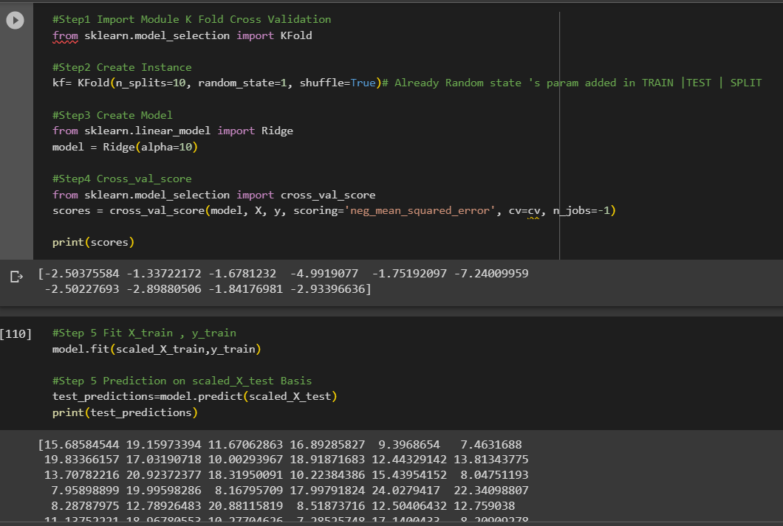
 | ⇰REFERENCE (Website)-->1.5 (Google Colab) (Cross Validation & Techniques of CV Regarding Practical Implementation (Coding) Regarding K Fold Cross Validation & it’s Performance Evaluation

METHODS OF K FOLD CROSS VALIDATION | ⇰REFERENCE (Website)-->Scikit Learn Regarding Various Methods Availablein Scikit Learn for Stratified Cross Validation | ⇰REFERENCE (Website)--> Git Hub Regarding Practical (Coding) Implementation Regarding Methods get_n_splits

⇰get_n_splits(X=None, y=None, groups=None) ❶Returns the number of splitting iterations or Folds in the cross-validator ❷ In Simple Words It returns the number of iterations used for cross validation i.e. returns a value of 5 or 10 Folds

 | ⇰REFERENCE (Website)-->Stackoverflow Regarding (Conceptual) & (Practical) Implementation Regarding methods get_n_splits( )
⇰split(X, y, groups=None) ❶Generate indices to split data into training and test set.

 | ⇰REFERENCE (Website)-->1.5 Google Colab, (Cross Validation & Techniques of CV ) Regarding Practical Implementation (Coding) of Methods of K fold Cross Validation

Techof CV-Hold outTest&DataLeak
TECHNIQUES OF CROSS VALIDATION | REFERENCE

WARNING--> | ⇰REFERENCE (Website)-->Stackoverflow Regarding Overall difference between (cross_val_score) and Kfold as well as Stratified K fold Cross Validation
1. On one hand, KFold & Stratified K fold & Other Techniques of Cross Validation in which lets you to split your data to K folds. 2.On the Other Hand cross_val_score & cross_validate is a function which evaluates a data and returns the score.

⇰Techniques for Cross Validation ❶K fold Cross Validation (CV) ( ✔ ) ❷Hold Out Methods ( ✔ ) ❸Stratified K Fold Cross Validation (CV) | ⇰REFERENCE (Excel Sheet)--> 2.5 (Cross -Validation Excel Sheet) Regarding Various Techniques for Cross Validation | ⇰REFERENCE (You Tube)--> Krishna Naik Regarding Conceptual Understanding of Cross Validation & Types of Cross Validation

2. Hold Out Methods or CV-Test Validation & Data Leakage
 | ⇰REFERENCE (Website)-->upGrad Regarding Conceptual & Practical Understanding of Cross Validation & Various CV Techniques Implementation in Machine Learning
⇰This technique works on removing a part of the training data set and sending that to a model that was trained on the rest of the data set to get the predictions. We then calculate the error estimation which tells how our model is doing on unseen data sets. This is known as the Holdout Method. |  | ⇰REFERENCE (You Tube)--> 5 Minutes Engineering Regarding Conceptual Implementation Regarding 5 Fold Cross Validation

REASON OR WHY DO WE NEED FOR HOLD OUT METHODS ? (DATA LEAKAGE)

❶If we're tuning hyper parameters to the test data performance, are we ever fairly getting performance metrics on truly unknown data? If in fact you went ahead and tuned hyper parameters on that test data, to some degree, you are letting a little bit of knowledge leak from that test data set because you're tuning based off those results.So in a sense, you're slightly cheating, even though the model has technically never seen this data to be trained on.So are we ever actually getting fair, true performance metrics on data that's never been seen and never been more importantly, adjusted to how can we actually fix this problem? ❷Well, if we want to understand how the model behaves for data that it truly has never seen and never been influenced by for hyper parameter tuning, what we do is we use something known as a holdout test set. | ⇰REFERENCE (Website)--> Scikit Learn Regarding K fold Cross Validation (Conceptual) with all Hyper param for K fold CV Model

 |  | ⇰REFERENCE (You Tube)-->Code Basics Regarding Conceptual & Practical Implementation (Coding)Regarding 5 Fold Cross Validation

 | ⇰REFERENCE (Website)-->Stackoverflow Regarding Overall difference between (cross_val_score) and Kfold as well as Stratified K fold Cross Validation

 |  | ⇰REFERENCE (Website)--> Udemy Regarding Cross Validation , Test Validation Split

 | ⇰REFERENCE (Website)-->Udemy Regarding Thereotical & Conceptual Implementation of Cross Validation & 5 Fold Cross Validation

 | ⇰REFERENCE (You Tube)--> Krishna Naik Regarding Conceptual Understanding of Cross Validation & Types of Cross Validation

❸The main thing to note here is that little piece of purple data that we set aside.We never touch that data.We don't tune to it, nor do we train on it.So after training and tuning, you perform a final evaluation on what we're calling our final holdout test set.The very important thing to note here is that you cannot tune after this final test evaluation.The idea behind that being is you want some sort of performance metric as a final report telling you how well the model is going to perform based off data that it was not trained on and based off data that it was never adjusted to. ❹But it's not really fair to then report those same performance metrics on the test set since you technically adjusted the model to that test set.So instead what we do is we have this final holdout test set and then we run our model on this final holdout test set.& that's what we're reporting as our true final performance metrics & obviously, to make it fair, we're not going to go back and then adjust our model to hopefully perform even better on this data.Instead, we're using this final performance metric as just a report.So you can imagine if you have a boss coming in and asking you how well did the model truly perform,you're going to report back this final number and you're not going to tune after this.So the way this is then typically labeled is you have your training data and your validation data is What you're tuning your hyper parameter to & then you have this final test data that you don't get to adjust off of.

 | ⇰REFERENCE (You Tube)--> 5 Minutes Engineering Regarding Conceptual Knowledge of 5 Fold Cross Validation

 | ⇰REFERENCE (You Tube)--> Krishna Naik Regarding Conceptual Understanding of Cross Validation & Types of Cross Validation

 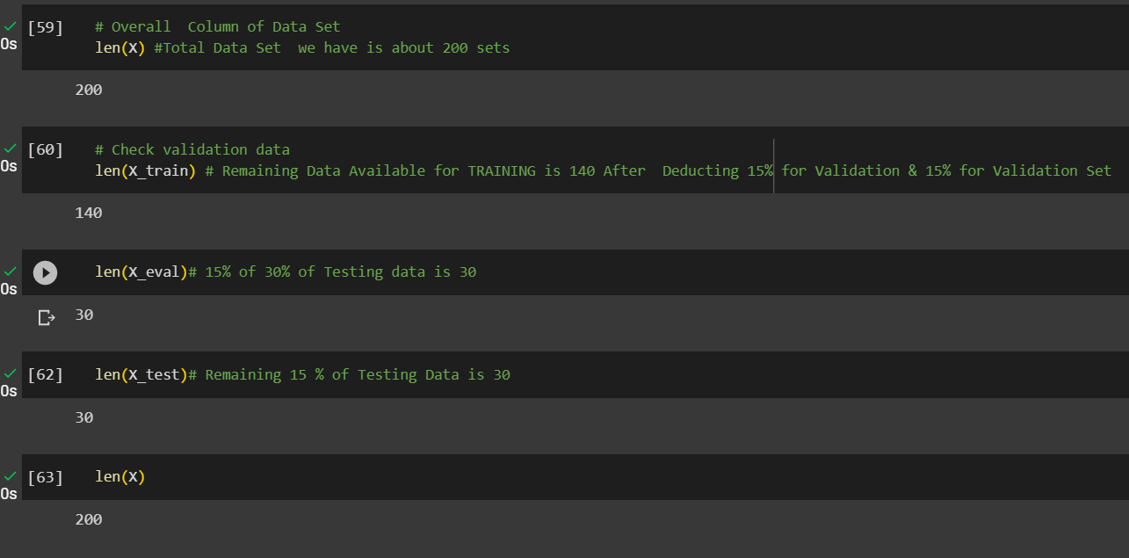 | ⇰REFERENCE (Website)-->1.5 (Google Colab) (Cross Validation & Techniques of CV Regarding Practical Implementation (Coding) Regarding Hold out Test Method By TRAIN | TEST | SPLIT By Creating Validation Test (Hold Out Test Set)

 | ⇰REFERENCE (Website)--> Udemy Regarding Cross Validation , Test Validation Split

Technique of CV->Strat K CV
TECHNIQUES OF CROSS VALIDATION | REFERENCE

WARNING--> | ⇰REFERENCE (Website)-->Stackoverflow Regarding Overall difference between (cross_val_score) and Kfold as well as Stratified K fold Cross Validation
1. On one hand, KFold & Stratified K fold & Other Techniques of Cross Validation in which lets you to split your data to K folds. 2.On the Other Hand cross_val_score & cross_validate is a function which evaluates a data and returns the score.

⇰Techniques for Cross Validation ❶K fold Cross Validation (CV) & LOOCV ( ✔ ) ❷Hold Out Methods ( ✔ ) ❸Stratified K Fold Cross Validation (CV) ( ✔ ) | ⇰REFERENCE (Excel Sheet)--> 2.5 (Cross -Validation Excel Sheet) Regarding Various Techniques for Cross Validation | ⇰REFERENCE (You Tube)--> Krishna Naik Regarding Conceptual Understanding of Cross Validation & Types of Cross Validation

3. Stratified K Fold Cross Validation (CV)
 | ⇰REFERENCE (Website)-->upGrad Regarding Conceptual & Practical Understanding of Cross Validation & Various CV Techniques Implementation in Machine Learning
⇰Meaning of Stratified-->formed or arranged into strata or layers. ❶(of a society) divided into levels or classes based on social status, education, or income. |  | ⇰REFERENCE (You Tube)--> 5 Minutes Engineering Regarding Conceptual Knowledge of 5 Fold Cross Validation

⇰WARNING--> This Stratified K fold CV Work only with Binary Classification & Multi Class Classification Data Set Not with Continuous DataSet (So Basically It Will Work with Classification Types of Data See Example Practical Understanding of Logistic Regression

 | ⇰REFERENCE (You Tube)-->Edu Fair KTU CS Regarding Learning multiple classes / One-vs-One / One-vs-All / KTU CS/ Machine learning

⇰K Fold Cross Validation technique will not work as expected for an Imbalanced Data set. When we have an imbalanced data set, we need a slight change to the K Fold cross validation technique, such that each fold contains approximately the same strata of samples of each output class as the complete. This variation of using a stratum in K Fold Cross Validation is known as Stratified K Fold Cross Validation. |  | ⇰REFERENCE (You Tube)--> Krishna Naik Regarding Conceptual Understanding of Cross Validation & Types of Cross Validation

❶Basically in Simple Words Cross-validation implemented using stratified sampling ensures that the proportion of the feature of interest is the same across the original data, training set and the test set. This ensures that no value is over/under-represented in the training and test sets, which gives a more accurate estimate of performance/error.
 | ⇰REFERENCE (Website)-->Medium Regarding Conceptual & Practical (Coding) Implementation Regarding Stratified K fold Cross Validation | ⇰REFERENCE (You Tube)--> Krishna Naik Regarding Conceptual Understanding of Cross Validation & Types of Cross Validation

IMPERATIVE / FUNDAMENTAL HYPER PARAMETER FOR MODEL

 | ⇰REFERENCE (Website)-->Scikit Learn Regarding Various Hyper Parameter Usage in Stratified K Fold Cross Validation | ⇰REFERENCE (You Tube)--> 5 Minutes Engineering Regarding Conceptual Implementation Regarding 5 Fold Cross Validation

 | ⇰REFERENCE (Website)-->Stack Exchange Regarding Thereotical & Practical Implementation Regarding Stratified Cross Validation

⇰n_splits:int, default=5 ❶Number of folds. Must be at least 2. |  | ⇰REFERENCE (You Tube)-->Code Basics Regarding Conceptual & Practical Implementation (Coding)Regarding 5 Fold Cross Validation

⇰shuffle:bool, default=False ❶Whether to shuffle the data before splitting into batches. Note that the samples within each split will not be shuffled. ❷ shuffle is the Boolean object (True by default) that focus on whether to shuffle the dataset before applying the split. ❸The other reason that we have a random state here is because what Sk learn is going to do when it calls train test split is it's actually going to shuffle the arrays first.So you'll notice here that it actually is calling a shuffle split.That's why main reason it's calling a shuffle split. ❹If we See almost any Data set We can tell that more or less my data appears to be in no sort of sorted order.But for other data sets, it's not uncommon that when you read it in, it's actually already sorted for you. What we don't want to do is if our data set is in some sort of order or sorted is grab the first 70% of the rows for the train set and then the last 30% for the test set. Instead, we want to make sure that we shuffle everything first and then grab the 70% and 30%.That way I don't have an accidentally ordered data set and the test set happens to be all the highest sales and the training set is the lowest 70% of sales. That could be really dangerous as far as fairly evaluating and training your model. So instead we just alleviate any issues of that by shufflin

 | ⇰REFERENCE (You Tube)--> 5 Minutes Engineering Regarding Conceptual Knowledge of 5 Fold Cross Validation

 |  | ⇰REFERENCE (Website)-->Stackoverflow Regarding Overall difference between (cross_val_score) and Kfold as well as Stratified K fold Cross Validation

 | ⇰REFERENCE (You Tube)--> Krishna Naik Regarding Conceptual Understanding of Cross Validation & Types of Cross Validation

⇰Random_state →Random_state is used to set the seed for the random generator so that we can ensure that the results that we get can be reproduced. Because of the nature of splitting the data in train and test is randomised you would get different data assigned to the train and test data unless you can control for the random factor. ↔Example-->For example, imagine you have numbers: 1,2,3,4,5 and you want to select two random numbers. Without using a random_state you would get different things: i.e. first 2,5 then 3,4 and so on.When you control the random generator by setting the random state to 0, 1 or another number, everyone would get the same random numbers generated: i.e random_state=1 then the random numbers are 1,3 and everyone who will pick two random numbers using random_state=1 from 1,2,3,4,5 will get the same two numbers as you: 1,3. →The random state hyperparameter is used to control any such randomness involved in machine learning models to get consistent results. We can use cross-validation to mitigate the effect of randomness involved in machine learning models. →Reason For Random State Usage--> ❶. We need t | ⇰REFERENCE (Website)--> Git Hub Regarding Practical Implementation of Hyper Parameter get_n_splits_

 | ⇰REFERENCE (You Tube)--> 5 Minutes Engineering Regarding Conceptual Knowledge of 5 Fold Cross Validation

 | ⇰REFERENCE (You Tube)--> Krishna Naik Regarding Conceptual Understanding of Cross Validation & Types of Cross Validation

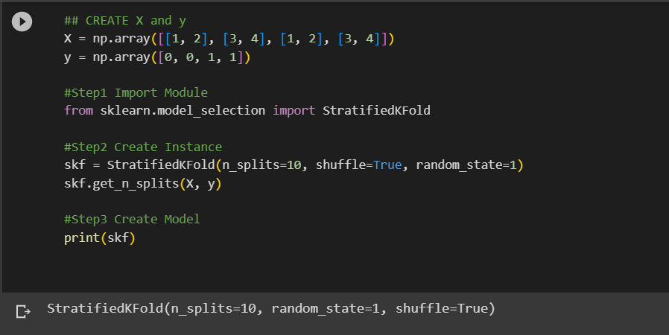 | ⇰REFERENCE (Website)-->1.5 (Google Colab) (Cross Validation & Techniques of CV Regarding Practical Implementation (Coding) Regarding Stratified 5 Fold Cross Validation

METHODS OF STRATIFIED K FOLD CROSS VALIDATION | ⇰REFERENCE (Website)-->Scikit Learn Regarding Various Methods Available in Scikit Learn for Stratified Cross Validation

⇰get_n_splits(X=None, y=None, groups=None) ❶Returns the number of splitting iterations or Folds in the cross-validator ❷ In Simple Words It returns the number of iterations used for cross validation i.e. returns a value of 5 or 10 Folds

 | ⇰REFERENCE (Website)-->Stackoverflow Regarding (Conceptual) & (Practical) Implementation Regarding methods get_n_splits( )
⇰split(X, y, groups=None) ❶Generate indices to split data into training and test set.

TRAIN|TEST|SPLIT
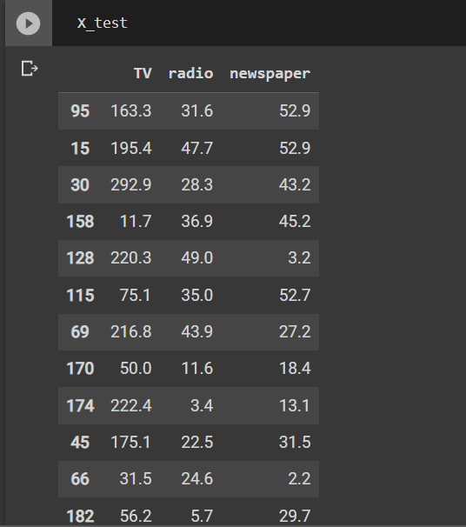
TRAIN | TEST | SPLIT

⇰REFERENCE (WEBSITE)-->Udemy Regarding Train_Test_Split
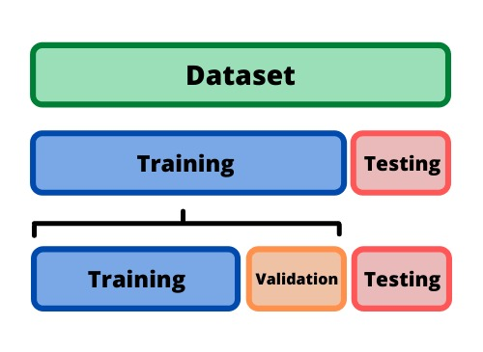 ⇰DEFINITION OF TRAIN-TEST-SPLIT →To fairly evaluate my model's performance, I don't want to evaluate it on the same data it was trained at. First we separates out the features and then it separates out the labels Further we'll separate out a training set and a test set Which Further Subdivide into 4 Components --> X train and Y train and then X test and y test the weights.

PARAMETERS FOR TRAIN | TEST | SPLIT | REFERENCE

⇰X_train→X_train Contains the Values of The Features (X1(Newspaper) ,X2(Radio) , X3(Television) This includes your all independent variables,these will be used to train the model, also as we have specified the test_size = 0.4, this means 60% of observations from your complete data will be used to train/fit the model and rest 40% will be used to test the model. | ⇰REFERENCE (Website)--> Stackoverflow Regarding TRAIN-TEST-SPLIT

⇰X_test→This is remaining 40% portion of the independent variables [Features(X1(Newspaper) ,X2(Radio) , X3(Television)] from the data which will not be used in the training phase and will be used to make predictions to test the accuracy of the model.
 | ⇰REFERENCE (Website)-> Stackoverflow RegardingTRAIN-TEST-SPLIT

⇰y_train→This is your dependent variable which needs to be predicted by this model, this includes category labels against your independent variables (Output =Total Sales), we need to specify our dependent variable while training/fitting the model.

 | ⇰REFERENCE (Website)-->(1.2 Google Colab Linear Regression Regarding Practical Implementation (Coding) of TRAIN | TEST SPLIT
⇰y_test→This data has category labels (Dependent Variable) (Output = Total Sales) for your test data, these labels will be used to test the accuracy between actual and predicted categories.

⇰test_size→test_size is the number that defines the size of the test set. It's very similar to train_size . You should provide either train_size or test_size . If neither is given, then the default share of the dataset that will be used for testing is 0.25 , or 25 percent. Especially in This Case test_size is 0.3 or 30% of Total Data Size.
 | ⇰REFERENCE (Website)-> Scikit Learn Regarding TRAIN-TESTS-SPLIT

⇰Random_state →Random_state is used to set the seed for the random generator so that we can ensure that the results that we get can be reproduced. Because of the nature of splitting the data in train and test is randomised you would get different data assigned to the train and test data unless you can control for the random factor. ↔Example-->For example, imagine you have numbers: 1,2,3,4,5 and you want to select two random numbers. Without using a random_state you would get different things: i.e. first 2,5 then 3,4 and so on.When you control the random generator by setting the random state to 0, 1 or another number, everyone would get the same random numbers generated: i.e random_state=1 then the random numbers are 1,3 and everyone who will pick two random numbers using random_state=1 from 1,2,3,4,5 will get the same two numbers as you: 1,3. →The random state hyperparameter is used to control any such randomness involved in machine learning models to get consistent results. We can use cross-validation to mitigate the effect of randomness involved in machine learning models. →Reason For Random State Usage--> ❶. We need t
 | ⇰REFERENCE (Website)-> Real Python Regarding TRAIN-TESTS-SPLIT

 | ⇰REFERENCE (Website)--> Geeks For Geeks Regarding Practical Impelentation (Coding) of TRAIN | TEST SPLIT

 | ⇰REFERENCE (Website)-> Scikit Learn Regarding TRAIN-TESTS-SPLIT

 | ⇰REFERENCE (Website)-> Real Python Regarding TRAIN-TESTS-SPLIT

⇰Shuffle Split→shuffle is the Boolean object (True by default) that focus on whether to shuffle the dataset before applying the split. →Reason For Random State Usage--> ❶The other reason that we have a random state here is because what Sk learn is going to do when it calls train test split is it's actually going to shuffle the arrays first.So you'll notice here that it actually is calling a shuffle split.That's why main reason it's calling a shuffle split. ❷If we See almost any Data set We can tell that more or less my data appears to be in no sort of sorted order.But for other data sets, it's not uncommon that when you read it in, it's actually already sorted for you. What we don't want to do is if our data set is in some sort of order or sorted is grab the first 70% of the rows for the train set and then the last 30% for the test set. Instead, we want to make sure that we shuffle everything first and then grab the 70% and 30%.That way I don't have an accidentally ordered data set and the test set happens to be all the highest sales and the training set is the lowest 70% of sales. That could be really dangerous as far as fairly evaluating and training your model. So instead we just alleviate any issues of that by shuffling the data set first.

 | ⇰REFERENCE (Website)-->(1.2 Google Colab Linear Regression Regarding Practical Implementation (Coding) of TRAIN | TEST SPLIT

 | ⇰REFERENCE (Website)--> 1.3 Google Colab (Polynomial Regression) Regarding Practical Implementation (Coding) of TRAIN | TEST SPLIT

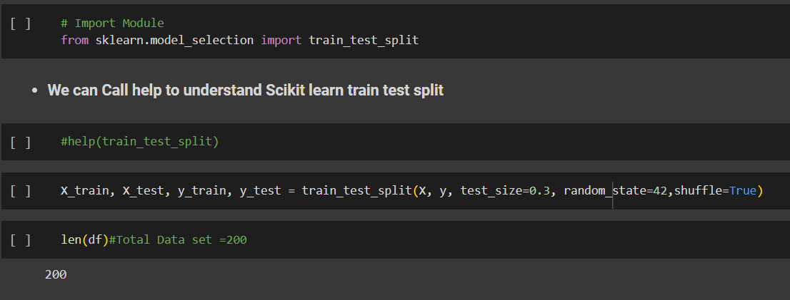 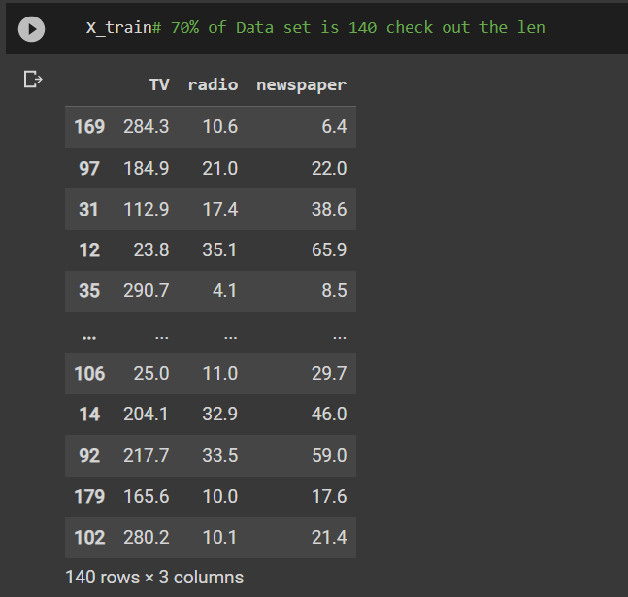 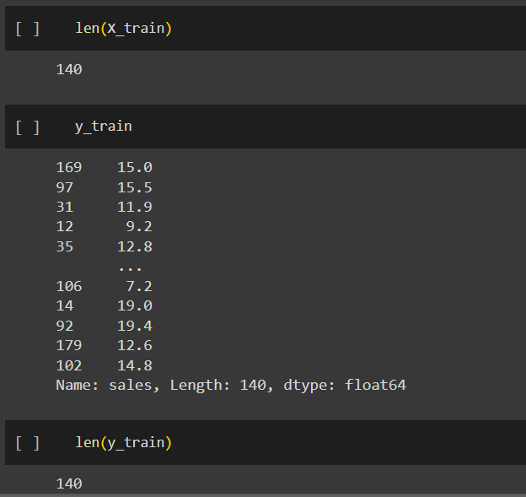 | ⇰REFERENCE (Website)-->(1.2 Google Colab Linear Regression Regarding Practical Implementation (Coding) of TRAIN | TEST SPLIT

 | ⇰REFERENCE (Website)--> 1.3 Google Colab (Polynomial Regression) Regarding Practical Implementation (Coding) of TRAIN | TEST SPLIT

Feature Scaling
2. (THEREOTICAL) FEATURE SCALING | REFERENCE

①What is Feature Scaling ? | ⇰REFERENCE (Website)-->Udemy Regarding Definition & Meaning & Definition as well as benefits of Feature Scaling
⇰Many machine learning algorithms perform better when numerical input variables are scaled to a standard range.This includes algorithms that use a weighted sum of the input, like linear regression, and algorithms that use distance measures, like k-nearest neighbors.

②What is Scale Invariance ? | ⇰REFERENCE (Website)-->Wikipedia Regarding Definition & Meaning of Scale Invariance
⇰In physics, mathematics and statistics, scale invariance is a feature of objects or laws that do not change if scales of length, energy, or other variables, are multiplied by a common factor, and thus represent a universality.

 | ⇰REFERENCE (You Tube)-->Feature Scale Importance For Gradient Descent By Priyanshu Vats
③Benefits of Feature Scaling ?
❶The most important benefit is that feature scaling improves the convergence of the steepest descent algorithms.And what we mean by that are algorithms like gradient descent in trying to minimize the lost function.Those gradient descent algorithms do not possess the property of Scale Invariance.

 | ⇰REFERENCE (You Tube)-->Code Basics(Hindi) Regarding Overall Thereotical Definition & Practical Implementation (Coding) of Cost Function or Line of Best Fit

❷So what we mean by that is that if you have features that are on different scales and you're trying to use something like gradient descent to figure out the optimal coefficients, certain weights for those coefficients may update faster than others, since the feature values may play a role in those coefficient or weight updates.

❸Essentially what we mean is, if you can imagine gradient descent in multiple dimensions and you have some features on much different or much larger scales than others, then the weights that are being restricted to those really large scales are going to take longer to update than the scales for features that are much smaller.And so what you want is that all the features are on roughly the same scale.
 | ⇰REFERENCE (You Tube) --> Krishna Naik Regarding Overall Implementation & Def & Why and When Should we Perform Feature Normalization?

❹That way, the gradient descent as far as the convergence of the optimal coefficients or weights can take around the same amount of time for each of those features.So that really is the critical benefit of feature scaling.
 | ⇰REFERENCE (Website)--> Scikit Learn Regarding Practical Implementation & Definition of Feature Scaling (Especially Standard Scaler)

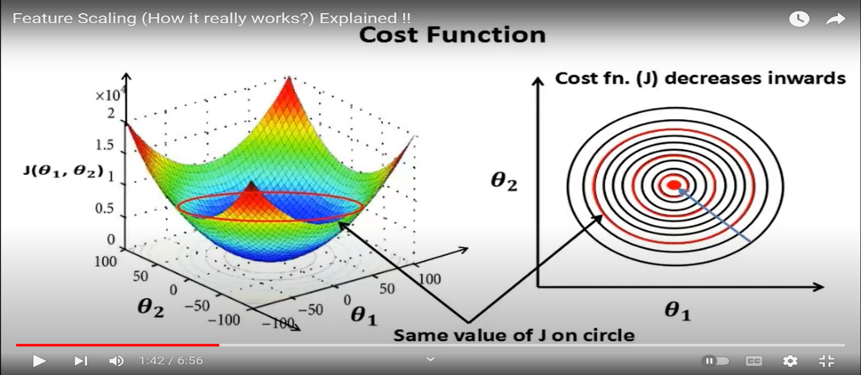

 | ⇰REFERENCE (Website)-->Udemy Regarding Definition & Meaning & Definition as well as benefits of Feature Scaling

 | ⇰REFERENCE (You Tube)-->Feature Scale Importance For Gradient Descent By Priyanshu Vats

 | ⇰REFERENCE (You Tube)-->Code Basics(Hindi) Regarding Overall Thereotical Definition & Practical Implementation (Coding) of Cost Function or Line of Best Fit

④Caveats (Warrning) of Using Feature Scaling in Various Models ?

⇰Must Always Scale new Unseen data Before Feeding to Model. ⇰Effect Direct Interpretability of Feature Coefficients. ❶Easier to Compare coefficients to one another , harder to relate back to original unscaled feature

 | ⇰REFERENCE (Website)-->Geeks For Geeks Regarding ML | Feature Scaling – Part 2

B. TYPES OF FEATURE SCALING | REFERENCE

①STANDARDIZATION (Standard Scaler) Or Z score Normalization | ⇰REFERENCE (Website)--> Scikit Learn Regarding Practical Implementation & Definition of Feature Scaling (Especially Standard Scaler)
⇰Standardization Rescales data to have a mean that is mu of 0 and a standard deviation of 1, which means you're essentially standardizing all your data to follow a standard normal distribution so you could have negative values there. Name Sake Can be confusing since this also referred as Z score normalization ⇰Name Sake Can be confusing since this also referred as Z score normalization ⇰Standardization scales each input variable separately by subtracting the mean (called centering) and dividing by the standard deviation to shift the distribution to have a mean of zero and a standard deviation of one. ⇰In Simple Words Standardization Mean Rescaling Data to have mean (μ) of 0 & Standard Deviation (σ) of 1 Unit Variance) .

 | ⇰REFERENCE (Website)-->Udemy Regarding Definition & Meaning & Definition as well as benefits of Feature Scaling

 | ⇰REFERENCE (Website)-->Machine Learning Mastery Regarding Thereotical & Practical (Coding) Implementation Regarding Meaning & Understanding of 1st Types of Feature Scaling That is Standardization
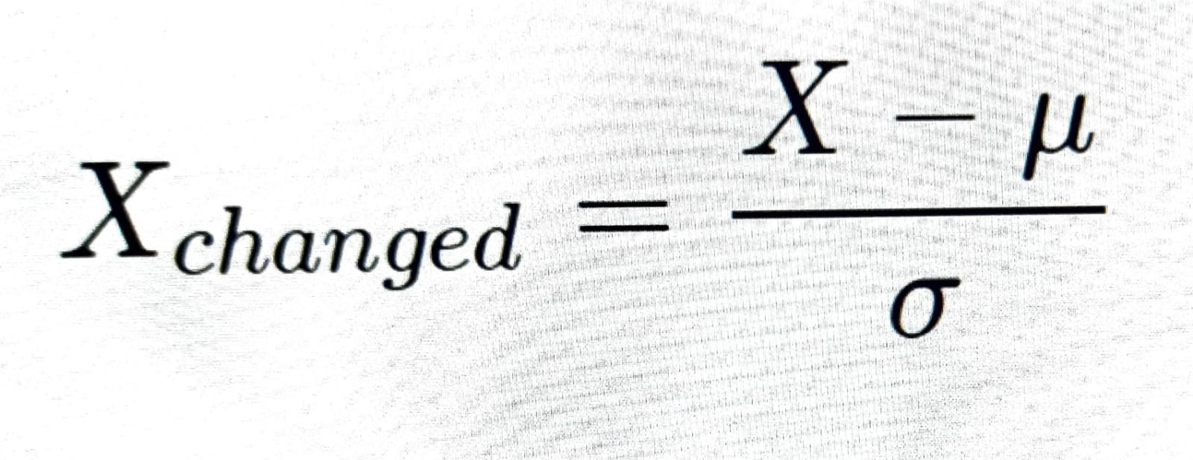

 | ⇰REFERENCE (You Tube)-->Feature Scale Importance For Gradient Descent By Priyanshu Vats

 | ⇰REFERENCE (You Tube)-->Code Basics(Hindi) Regarding Overall Thereotical Definition & Practical Implementation (Coding) of Cost Function or Line of Best Fit
❶PRACTICAL IMPLEMENTATION OF PLOTTING TYPES OF FEATURE SCALING (STANDARDIZATION) IN 1.3 POLYNOMIAL REGRESSION & FEATURE SCALING

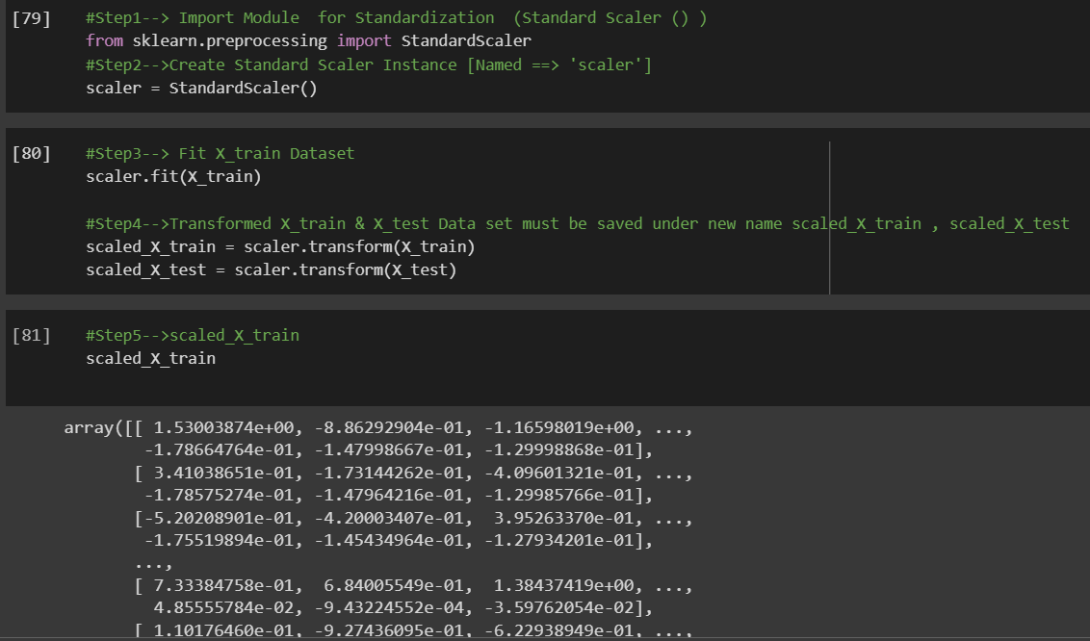

 | ⇰REFERENCE (Website) --> 1.3 Google Colab (Polynomial Regression & Feature Scaling) Regarding Practical Implementation & (Coding) 1st Types of Feature Scaling That is == (Standardization) Standard Scaling

 | ⇰REFERENCE (Website)-->Analytics Vidhya Regarding Meaning of Feature Scaling & Types of Feature scaling 1. Standardization 2.Normalization

 | ⇰REFERENCE (Website)-->Scikit Learn Regarding Practical Implementation & Definition of Feature Scaling (Especially Min-Max Scaler)

